jit
expand / collapse/ drag and resize telecom window

ALL HR active status will be seen (even if offline)
 | for designations: admin, admin recruiter, recruiter, office manager, sales manager, Operations manager, JG account

 | users with status ; applicant, applicant refferal, interview date, offer made…. Will only see autoassigned , admin recruiter…or if any above users message … they will see in

chat notifications - bubbles showing correct # of unseen chats
 | chat dropdown does not show chat notification

chat message to email ?

All | Emails156 |  | Phone / Vmail(0)10 | Chat1
 | full view - by clicking?

create group chat feature
 | Managers can see all chats?!

new!
 | Format - sequence/task gen
 |  | expand header height - fit top 3 chates
 |  |  | move "you will be logged out in next…"
check 3 locations of new telecom dash
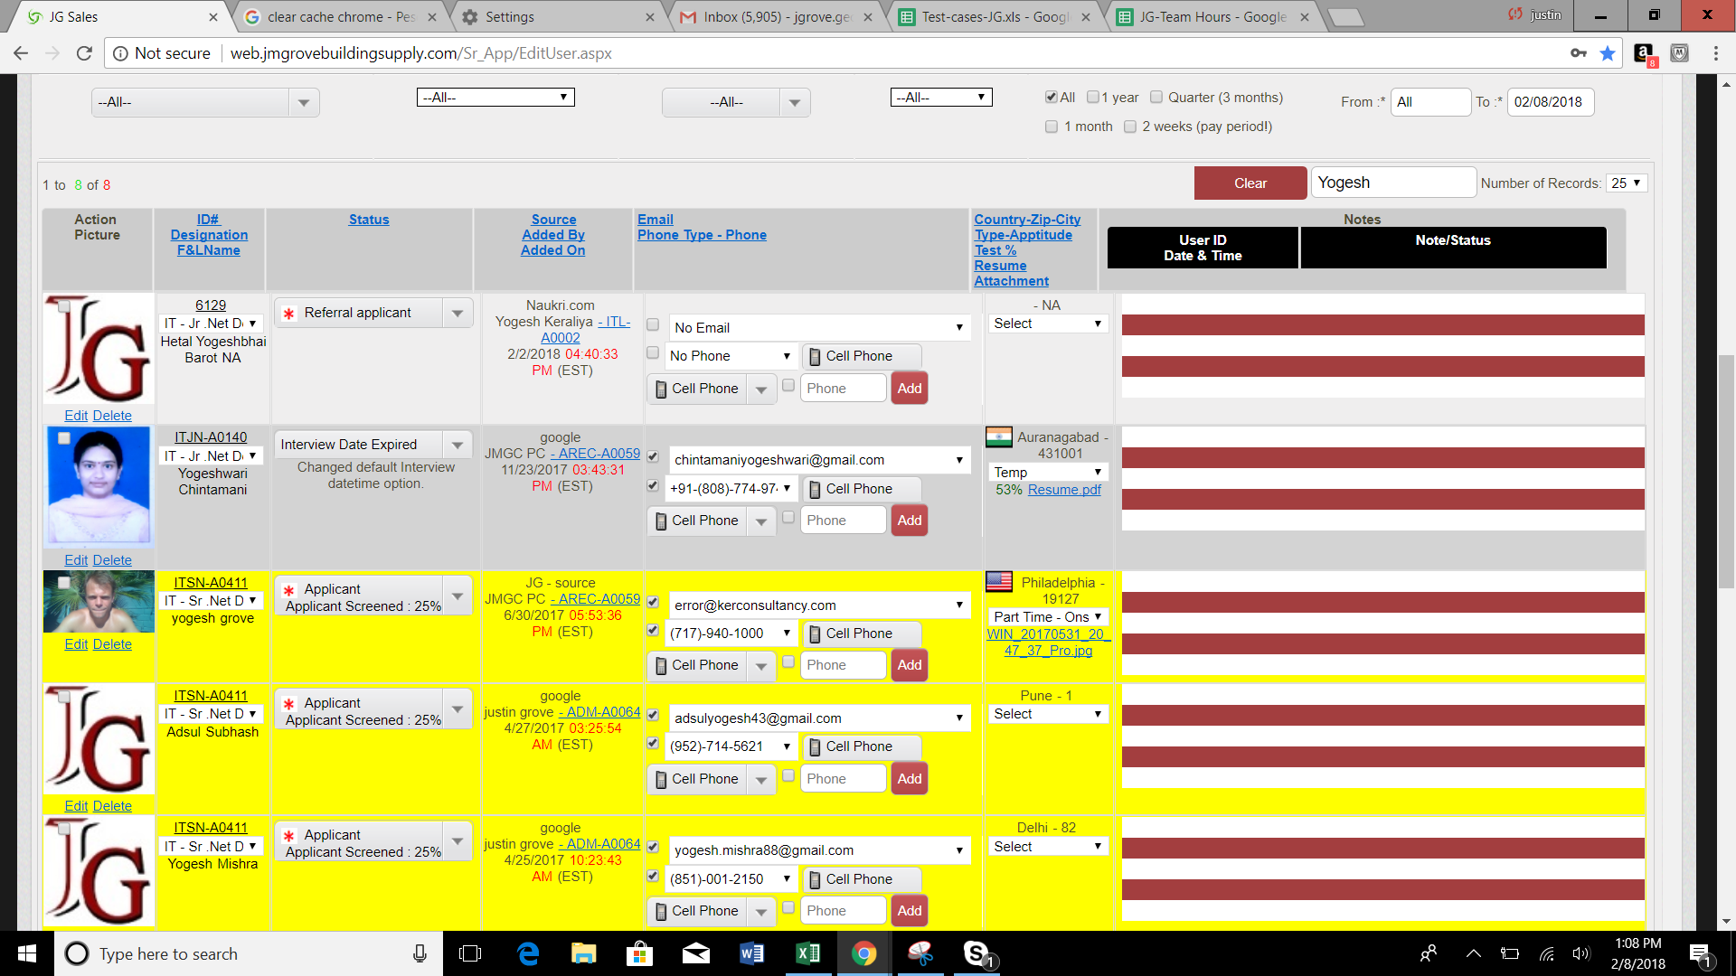
notes section missing now? --

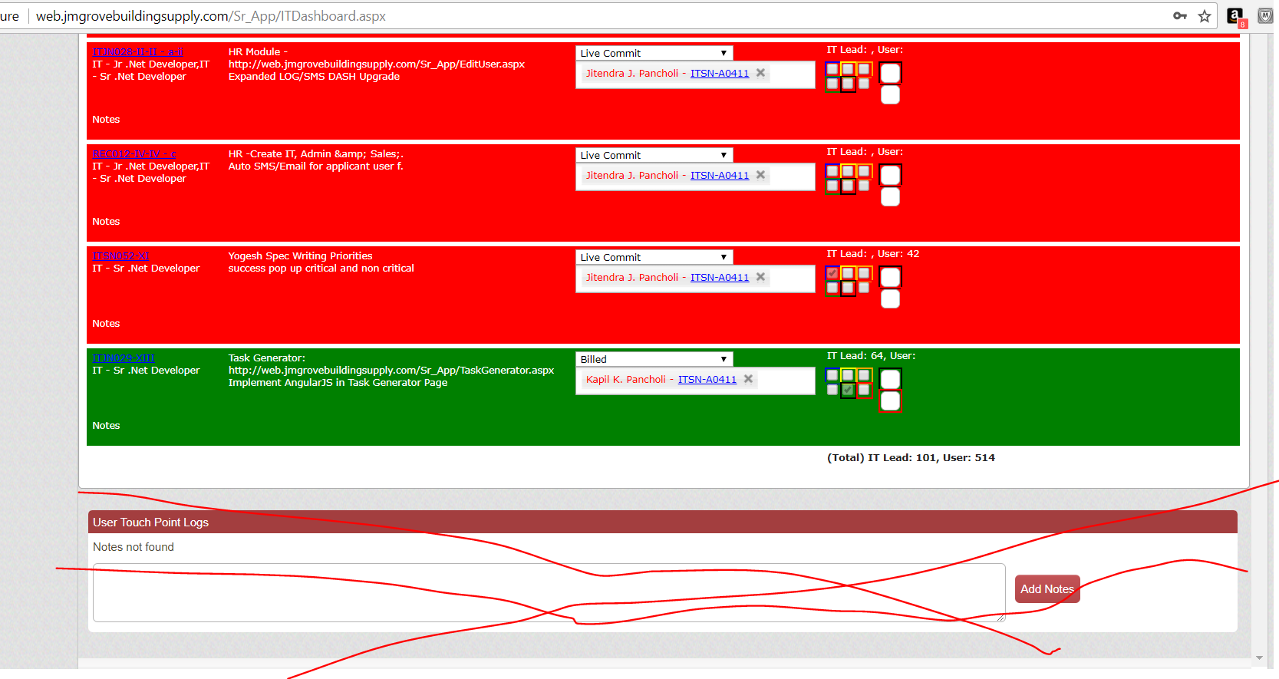
remove uncessary notes!
add proper notes for top and bottom grid

